Quotation
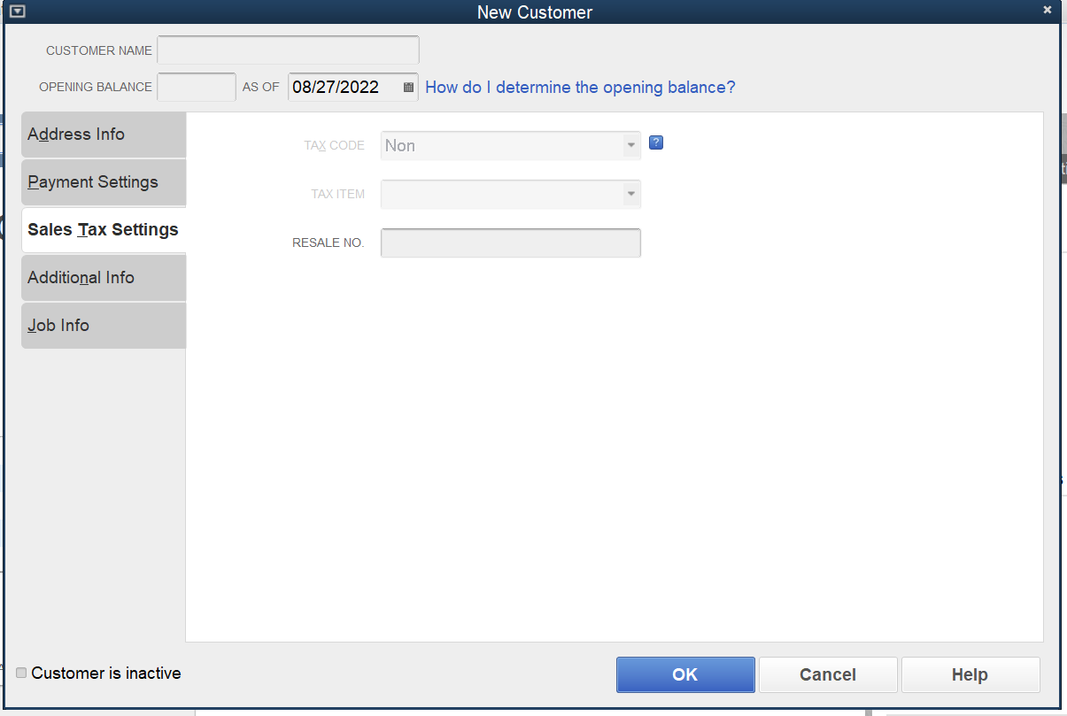
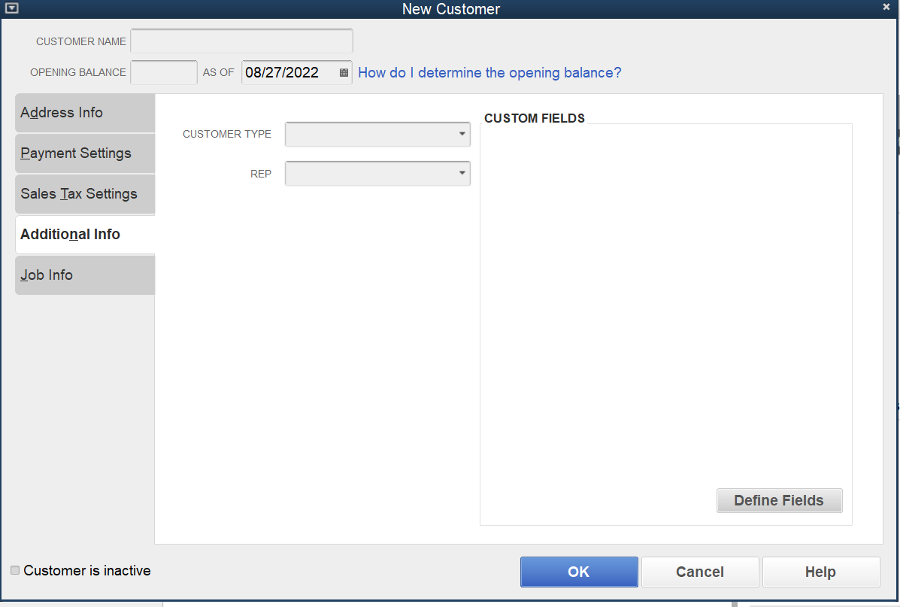
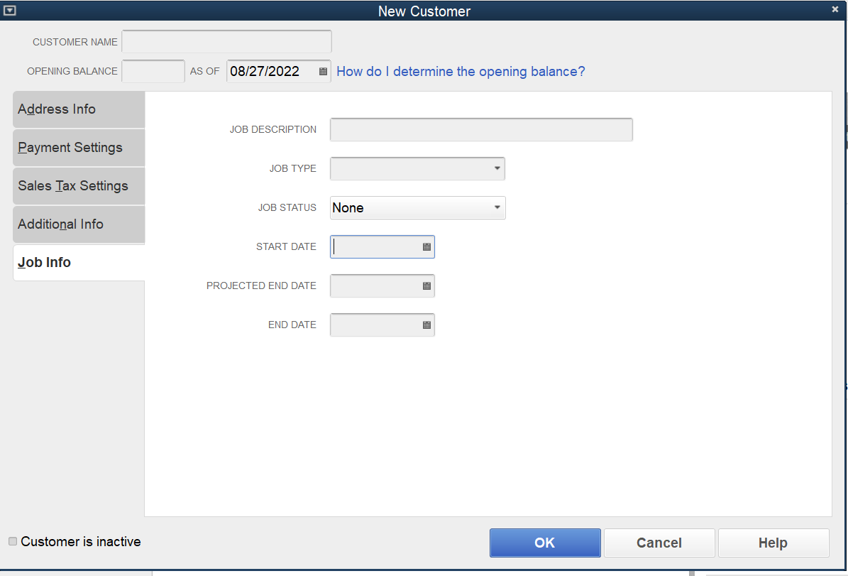
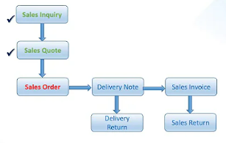
Sales Quotation

Index |  |  | Head | id, name | Type | Description
 |  | 1. qotBasic
A | 1 | qotBasic | ID | id | Number | Unique
B | 2 | qotBasic | Quotation Ref No | qotRef | Text | Unique
C | 3 | qotBasic | Quotation Date | qotDat | Date
D | 4 | qotBasic | Customer Code | cusCode | Text
E | 5 | qotBasic | Customer Name | cusName | Text
F | 6 | qotBasic | Total Befor Discount | qotTBD | Number
G | 7 | qotBasic | Total After Discount | qotTAD | Number
H | 8 | qotBasic | Tax | qotTax | Number
I | 9 | qotBasic | Total After Tax | qotTAT | Number
J | 10 | qotBasic | Address ship to | shipTo | Text
K | 11 | qotBasic | Comments | qotComm | Text
L | 12 | qotBasic | Sales Person Code | spCode | Text
M | 13 | qotBasic | Sales Person Name | spNAME | Text
N | 14 | qotBasic | Comments | opnClo | Text
O | 15 | qotBasic | Transaction Date | traDate | Text
P | 16 | qotBasic | Action | action | Text

 |  | 2. qotAddi
A | 1 | qotAddi | ID | id | Number | Indexing
B | 2 | qotAddi | Quotation Ref No | qotRef | Text | Indexing
C | 3 | qotAddi | Serial Number | sno | Number
D | 4 | qotAddi | Item Code | itmCod | Text
E | 5 | qotAddi | Description | desc | Text
F | 6 | qotAddi | Quantity | qty | Number
G | 7 | qotAddi | Price | price | Number
H | 8 | qotAddi | Discount | disc | Number
I | 9 | qotAddi | Total | tot | Number
J | 10 | qotAddi | vat | vat | Number
K | 11 | qotAddi | Transaction Date | traDate | Text
L | 12 | qotAddi | Action | action | Text

 |  | 3. qotStat
A | 1 | qotStat | Quotation Ref No | qotRefSt | Text | Indexing
B | 2 | qotStat | Status | opnCloSt | Text
C | 3 | qotAddi | Transaction Date | traDate | Text
D | 4 | qotAddi | Action | action | Text

Employee (2)
1. empBasic
2. empExtra
sqlite/I1_Hrm
Employee Master Data (Master Level)
S.No. |  | Head | id, name | Type | Description
 | 1. empBasic
1 | 1. Basic | Employee Code | empCode | Text | Unique
2 | 2. Basic | Employee First Name | empFName | Text | Null False
3 | 3. Basic | Employee Middle Name | empMName | Text
Permanent
1. EmpMaster.csv
Data/I1_Hrm/Employees/
4 | 4. Basic | Employee Last Name | empLName | Text | Null False
5 | 5. Basic | Status | empStat | Text
 | 2. empExtra
6 | 1. Additional | Employee Code | empCode | Text | Unique
7 | 2. Additional | Image | empImg | Image
8 | 3. Additional | Position | empPosi | Text
9 | 4. Additional | Date of Joining | empDoj | Date
10 | 5. Additional | Emirates ID | empEid | Text
Yearly
1. empTarget.csv
2. empTargetDetail.csv
Data/2023/I1_Hrm/Employees/
11 | 6. Additional | Location | empLoca | Text
12 | 7. Additional | Department | empDept | Text
13 | 8. Additional | Reporting to | empRepTo | Text
14 | 9. Additional | Sponsor | empSpon | Text
15 | 10. Personal | Nationality | empNatl | Text
16 | 11. Personal | Gender | empGend | Text
17 | 12. Personal | Date of Birth | empDob | Date
18 | 13. Personal | Marrid | EmpMarr | Text
19 | 14. Payment | IBAN | empIban | Text
20 | 15. Payment | Bank | empBank | Text
21 | 16. Payment | Account Number | empAcc | Text
22 | 17. Payment | UID | empUid | Text
I1_Hrm
23 | 18. Payment | Visa Number | empVisa | Text
24 | 19. Others | Address | empAdd | Text
25 | 20. Others | Phone Number | empPh | Text
Employees
26 | 21. Others | Email | empEmail | Text
27 | 22. Others | Reference | ref | Text
28 | 23. Others | for CSV file No | comment | Text
1. empTarget.csv

2. empTargetDetail.csv
Employee Summary (Transaction Level)
S.No. |  | Head | id, name | Type | Description
ã | 0. Employee Summary | help to save in DB | id | Number | Unique
1 | 1. Employee Summary | Employee Code | empCode | Text | Unique
2 | 2. Employee Summary | Employee Name | empName | Text
3 | 3. Employee Summary | Employee Image | empImg | Image
4 | 4. Employee Summary | Employee Position | empPosi | Text
5 | 5. Employee Summary | Annual Salary | anSalary | Number
6 | 6. Employee Summary | Annual Target | anTarget | Number
7 | 7. Employee Summary | Employee Status | empStat | Text
8 | 8. Employee Summary | Target Set | targetSet | Text
9 | 9. Employee Summary | Transaction Date | traDate | Date
Get Employee Detail
1. empBasic
2. empAddi
10 | 10. Employee Summary | Comment | comment | Text

Emplyee Target
1. empTarget
Employee Target (Transaction Level)
S.No. |  | Head | id, name | Type | Description
ã | 0. Employee Target | help to save in DB | id | Number | Unique
Save Employee Detail
1 | 1. Employee Target | Employee Code | empCode | Text | Unique
2 | 2. Employee Target | Employee Name | empName | Text
2. empTargetDetail
3 | 3. Employee Target | Annual Salary | anSalary | Number
4 | 4. Employee Target | Annual Target | anTarget | Number
5 | 5. Employee Target | S. No. | sNo | Number
6 | 6. Employee Target | Item Code | itemCode | Text
7 | 7. Employee Target | Item Description | itemDesc | Text
8 | 8. Employee Target | Item Selling Price | itemSelPrice | Number
9 | 9. Employee Target | Quantity | qty | Number
10 | 10. Employee Target | Sales Target | salesTarget | Number
11 | 11. Employee Target | Total Sales Cost | totalSalCost | Number
12 | 12. Employee Target | Sales Cost Per Unit | salCostPU | Number
13 | 13. Employee Target | Transaction Date | traDate | Date
14 | 14. Employee Target | Comment | comment | Text

id
empCode
empName
empImg
empPosi
anSalary
anTarget
empStat
targetSet
sNo
itemCode
itemDesc
titemSelPrice
qty
salesTarget
totalSalCost
salCostPU
traDate
action

Note
Date | https://www.youtube.com/watch?v=veEqYQlfNx8
from HTML pag Date stor in the following formate in Javascript. | css style must see
Solution
#df['qotDat'] = pd.to_datetime(df['qotDat']).dt.strftime('%Y-%m-%d')
## file doesn't recongnize date formate first convert into date and than strftime

 | https://ebmsbusiness.com/
 | https://ebmsbusiness.com/mainland/lifetime-investor-visa/?fbclid=IwAR1kLaQPNxksWgN52NrWIR_0FqRl7iXTC1FRtHaCIMPNmCxDzagKi6OxhFs

Read
(MM-DD-YYYY)
"05/02/2023"
"05/20/2023
 | Accounting Software
 | https://www.youtube.com/watch?v=lDCs_Ksn-nM
in JavaScript
(YYYY-MM-DD)
qotDat: "2023-05-20"
qotDat: "2023-05-02"

read from csv file and after convertion to dictionary ornientation as record
Save in CSV file initially
(YYYY-MM-DD)
qotDat: "2023-05-20"
qotDat: "2023-05-02"
After opening csv file same shows as
(MM-DD-YYYY)
qotDat: "5/20/2023"
qotDat: "5/02/2023"

Setup
Single setup to create all Folders.

Sales Order --> Get Sum Caluculation I think so need to change into dl

#═══ Delivery Notes ══════════════════════════════════════════════════
is this required
path('sDeliveryEditFetch/<str:pk>/', views.sDeliveryEditFetch , name='sDeliveryEditFetch'),

Resources
Google my business page | Exolone ERP |  | 5 project html css js (facebook, youtube etc.)
Google Business Profile – Get Listed on Google | https://www.youtube.com/watch?v=MENx_h6I4n4&t=242s |  | https://www.youtube.com/watch?v=CpgNVyUxUV0

Good Documentation | to Run Online JavaScript and Python Code |  | Inforgraph Templtes
https://docs.smacc.com/account-master/ | https://www.programiz.com/javascript/online-compiler/ |  | https://visme.co/blog/comparison-infographic-templates/

Online Hand Writing Font Generator… | Asthetic Machine Pictures and Detail
https://www.font-generator.com/fonts/Daniel/?size=46&bg=none&color=00a99d | https://www.risenbeauty.com/vascular-removal-laser/

Logo Generator | Sales Invoice Templates
https://looka.com/ | https://invoicehome.com/templates/invoice

Accounting Software | Sales Invoice
Do It Yourself Bookkeeping For Sole Proprietors | https://help.sap.com/docs/SAP_BUSINESS_ONE/68a2e87fb29941b5bf959a184d9c6727/450a574437ca1f2ce10000000a1553f6.html
https://www.youtube.com/watch?v=I8OVsHHZmxA

Templates | Zoho Book inventory
https://www.spreadsheet.com/template/employee-directory
 | https://www.youtube.com/watch?v=6ZEcRfZvNl4
Accounting Services Website
https://www.harrisburgbookkeeping.com/store

CRM Templates
https://preview.themeforest.net/item/crms-bootstrap-admin-template/full_screen_preview/27850087?_ga=2.67434521.965785281.1682965340-1990012217.1682629869&_gac=1.181469781.1682965699.CjwKCAjwxr2iBhBJEiwAdXECw407fR4NKXWs6pXmV8RXeC0cnYLb5a91mINPMa2n6TeevPcdlhUHsxoCGaMQAvD_BwE

Employee Table Pure CSS
Responsive HTML Table With Pure CSS - Web Design/UI Design
YouTube Video: employee management system Admin page HTML, CSS js

 |  | Cargo
 |  | https://ramascargo.com/contact-us
id='cusCode'
Input Box

class='inputA1' 'inputA1c'
div under Input Box
 |  | https://youtu.be/_sOjoKn2rZ4
 |  | https://youtu.be/_sOjoKn2rZ4

let dropdown = document.querySelector('#cusCode');
dropdown.onclick = function(){
let showHide = document.querySelector('.inputA1')
showHide.classList.toggle('inputA1c')
}
Onclick Input Box

Program Setup
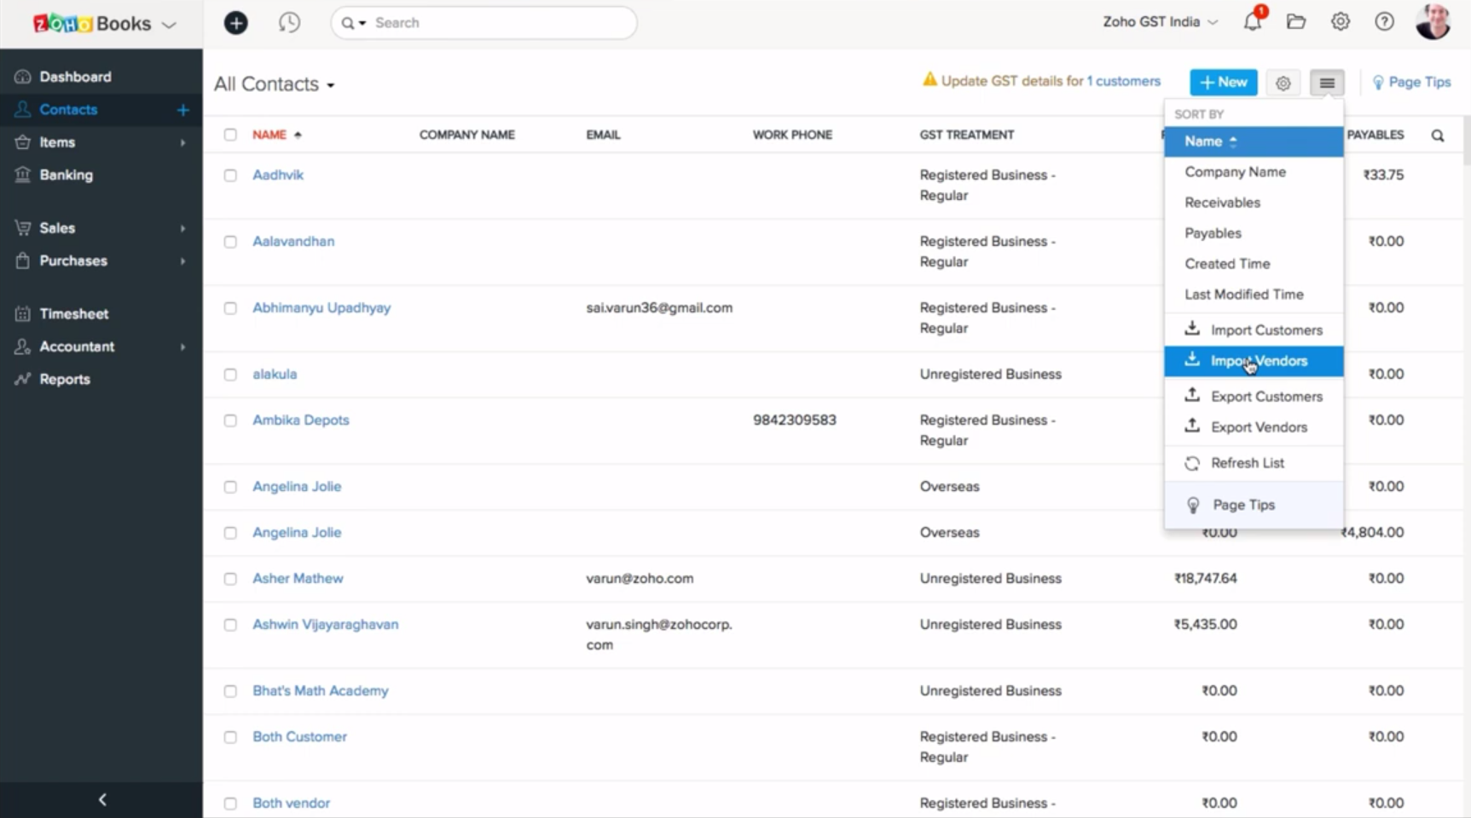
Screen Loader
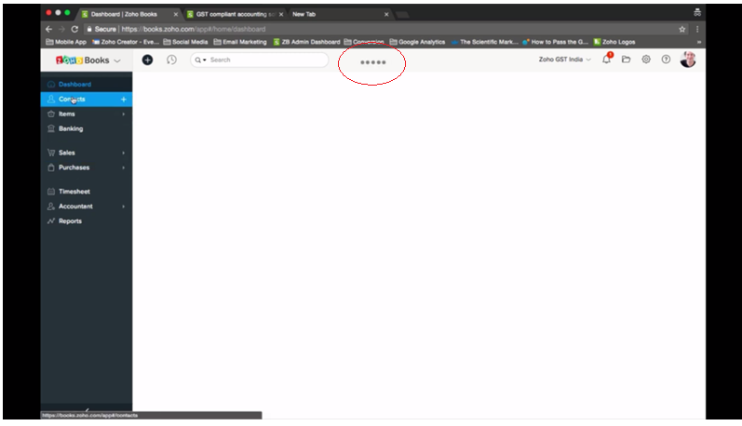
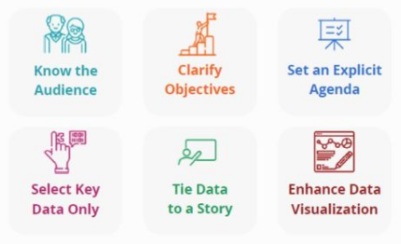
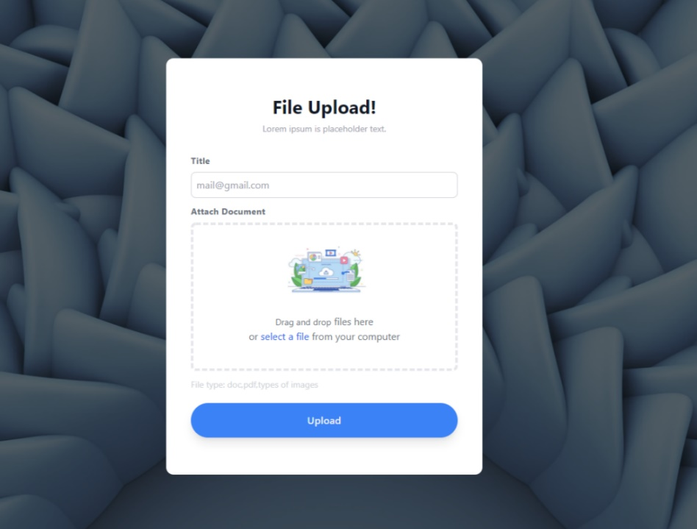
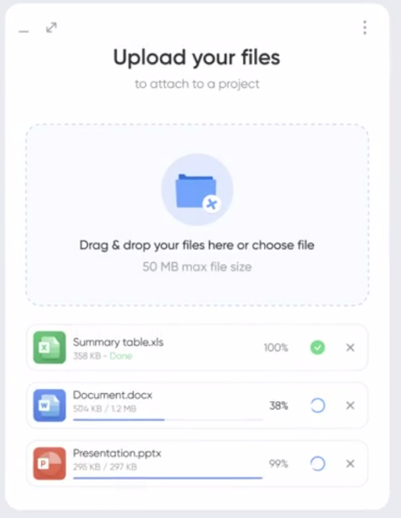

Customer List
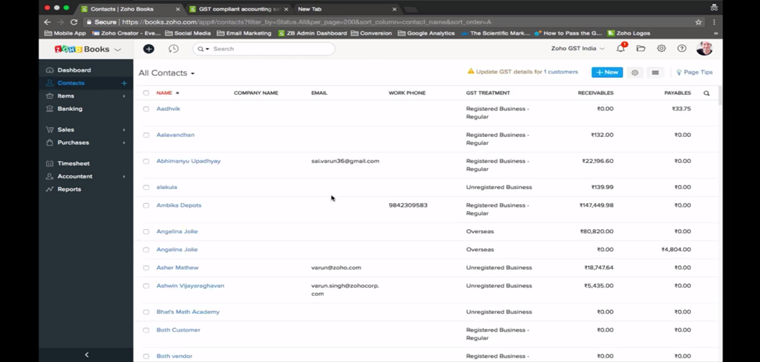

New Customer Creation
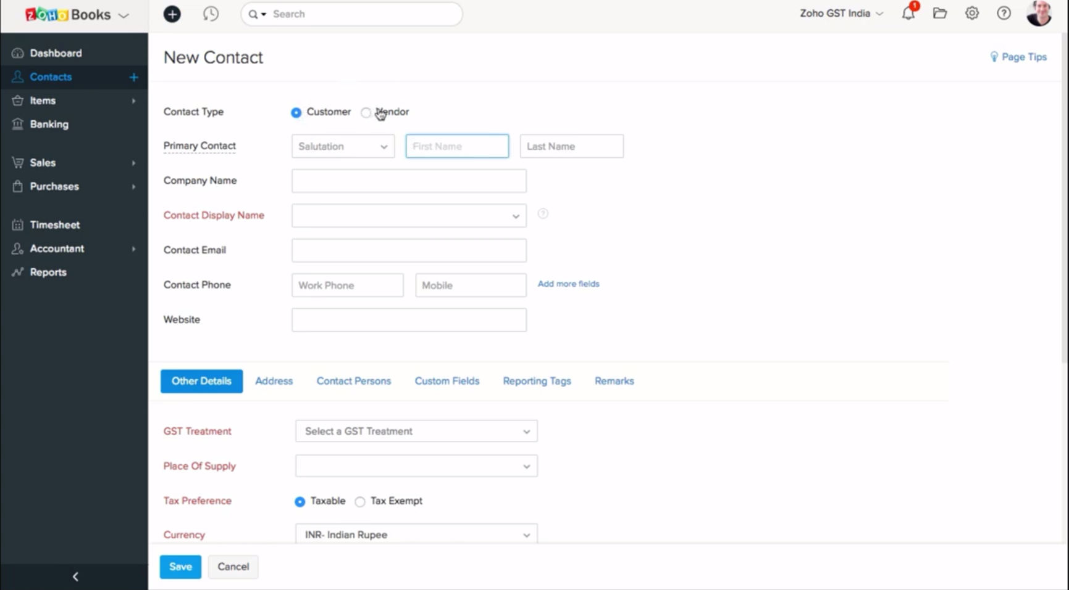

Import Export Data

